Bug reports

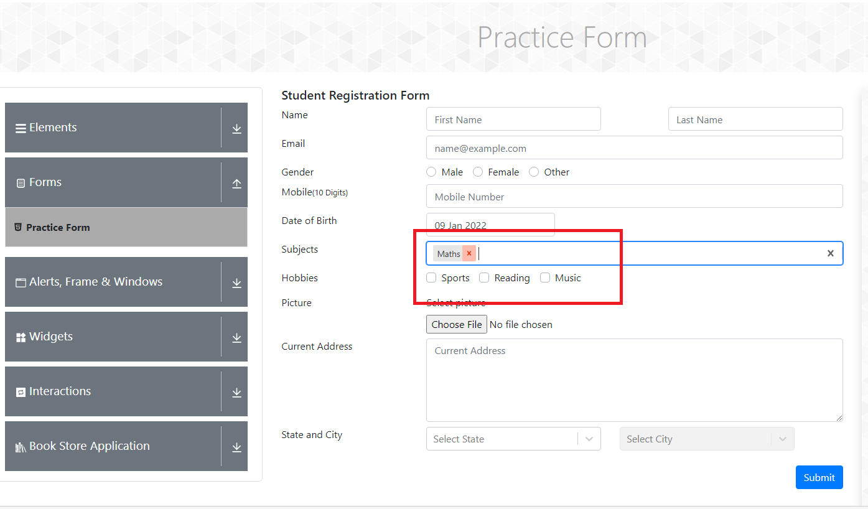
Bug id : 1 | Summary: Practise form is missing inputs from user
 | Description: When the user fills out the practice form and he selects sport under hobbies, after clicking submit hobbies is not shown in the practice form
 | PRECONDITION
 | Open https://demoqa.com/automation-practise-form page in Chrome browser
 | Steps to reproduce: | EXPECTED RESULTS | ACTUAL RESULTS
 | Input first name into First Name placeholder | New first name Pavle is visible and within placeholder
 | Input last name into Last Name placeholder | New last name Savic is visible and within placeholder
 | Input Email into Email placeholder | New email pavlesav6@gmail.com and within placeholder
 | Select male on Gender Radio Button | Radio button "male" is checked.
 | Input mobile number in mobile placeholder | New mobile number has been added
 | Select Date of Birth | 19 of jully 1990 has been added
 | Input Subjects in Subjects placeholder | Subjects "Maths" added
 | Select music in Hobbies checkbox | We successfully clicked on the sport checkbox
 | Select a file to upload when clicking on Select a picture | We succesfully Choose a file to upload
 | Input Current Address | New current address is added
 | Select a State and City from dropdown list | State and City succesfully added
 | Click on submit button | Registration form has opened in new popup window, we can see our new information in the form | We can see sport is not selected under hobbies

 | Repro rate 100%

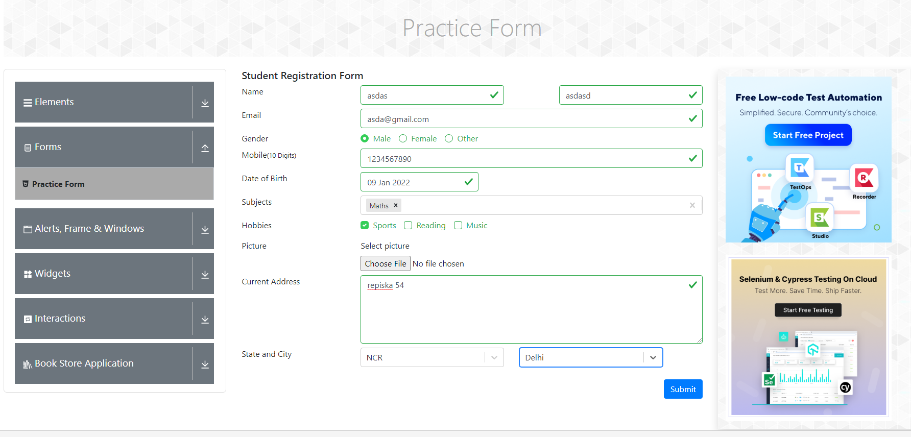

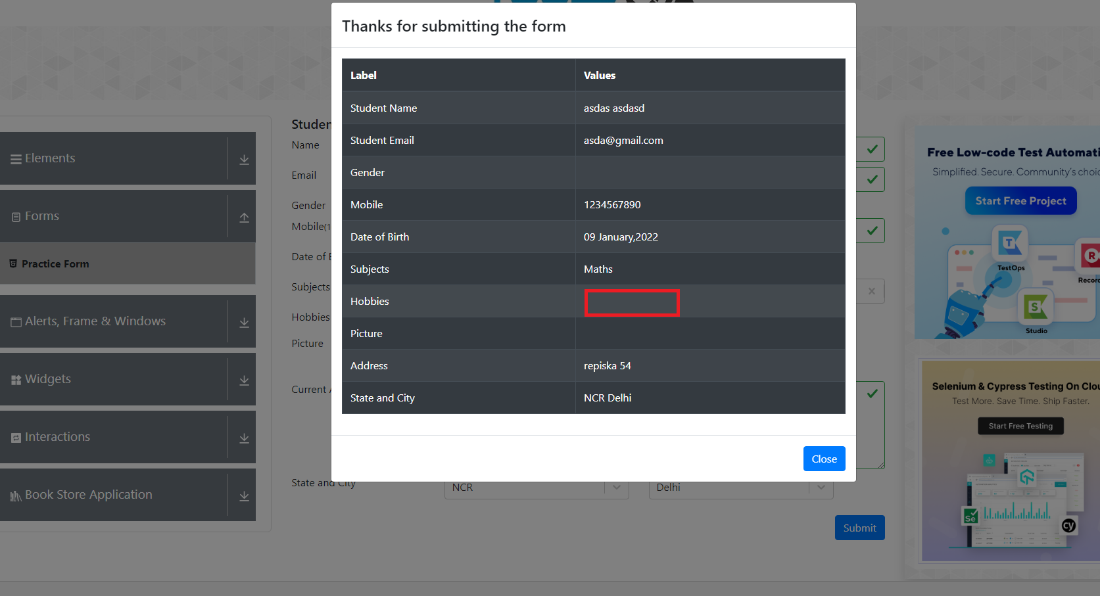

Bug id : 2 | Summary: Practise form is not showing all inputs from the user
 | Description: When the user fills out the practice form and we select Gender Radio Button, after clicking submit gender is not shown in the practice form
 | PRECONDITION
 | Open https://demoqa.com/automation-practise-form page in Chrome browser
 | Steps to reproduce: | EXPECTED RESULTS | ACTUAL RESULTS
 | Input first name into First Name placeholder | New first name Pavle is visible and within placeholder
 | Input last name into Last Name placeholder | New last name Savic is visible and within placeholder
 | Input Email into Email placeholder | New email pavlesav6@gmail.com and within placeholder
 | Select male on Gender Radio Button | Radio button "male" is checked.
 | Input mobile number in mobile placeholder | New mobile number has been added
 | Select Date of Birth | 19 of jully 1990 has been added
 | Input Subjects in Subjects placeholder | Subjects "Maths" added
 | Select music in Hobbies checkbox | We successfully clicked on the sport checkbox
 | Select a file to upload when clicking on Select a picture | We succesfully Choose a file to upload
 | Input Current Address | New current address is added
 | Select a State and City from dropdown list | State and City succesfully added
 | Click on submit button | Registration form has opened in new popup window, we can see our new information in the form | We can see Male is not showed next to Gender

 | Repro rate 100%

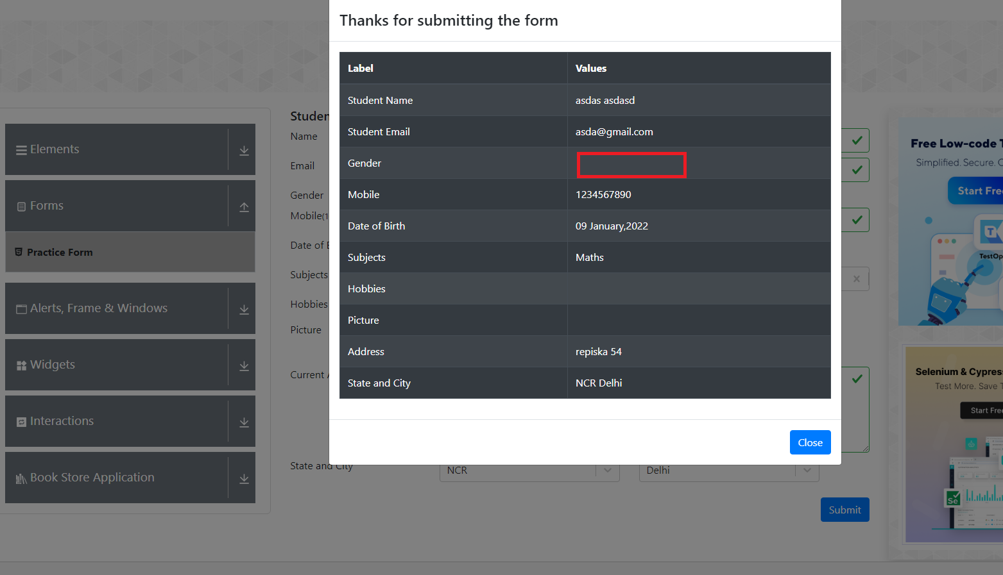

Bug id : 3 | Summary: Web page is crashing after deleting Subject
 | Description: When the user fills out any hobbies, after selecting Maths and successfully adding it to the Subjects, after clicking X next to it it will crash the webpage
 | PRECONDITION
 | Open https://demoqa.com/automation-practise-form page in Chrome browser
 | Steps to reproduce: | EXPECTED RESULTS | ACTUAL RESULTS
 | Input Maths into the Subjects placeholder | Subjects Math is added after clicking on it
 | Click on small x next to Math | Subject "Maths" is deleted | Webpage crash, we have a blank page

 | Repro rate: 100%

 | Screenshots:

